About Page
Module Code | About Page
Tester | Nguyen Thanh Dat
Pre-condition | Login successfully
Pass | Fail | Number of test case
2 | 1 | 3

ID | Test case Description | Test case Procedure | Expected Output | Actual Result | Result | Test Date
TC_01 | Reponsive Website | 1. Use the website on the mobile, laptop or desktop 2. Click into the About Page link | The website is not broken. | 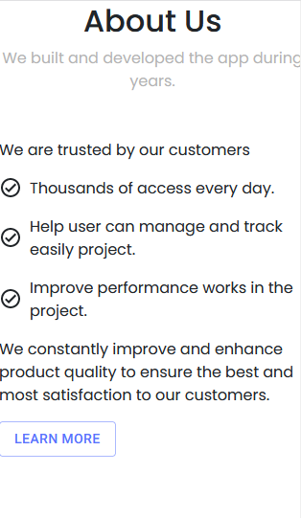 The website is broken at 320x568 size. The padding is 0px. | Fail | 15/3/2022
TC_02 | Load Notification Data | 1. Click into the About Page link | Click notification icon after it will display the list of notification. And display the number of notification. | Click notification icon after it will display the list of notification. And display the number of notification. | Pass | 15/3/2022
TC_03 | Highlight Link | 1. Click into the About Page link | Highlight the About Page link with another color. | Highlight the About Page link with another color. | Pass | 15/3/2022

Task Management By Stage
Module Code | Task Management
Tester | Nguyen Thanh Dat
Pre-condition | Login successfully with Student role.
Pass | Fail | Number of test case
11 | 2 | 13

ID | Test case Description | Test case Procedure | Expected Output | Actual Result | Result | Test Date
TC_01 | Reponsive Website | 1. Use the website on the mobile, laptop or desktop. 2. Click into the Task Management link. | The website is not broken. | 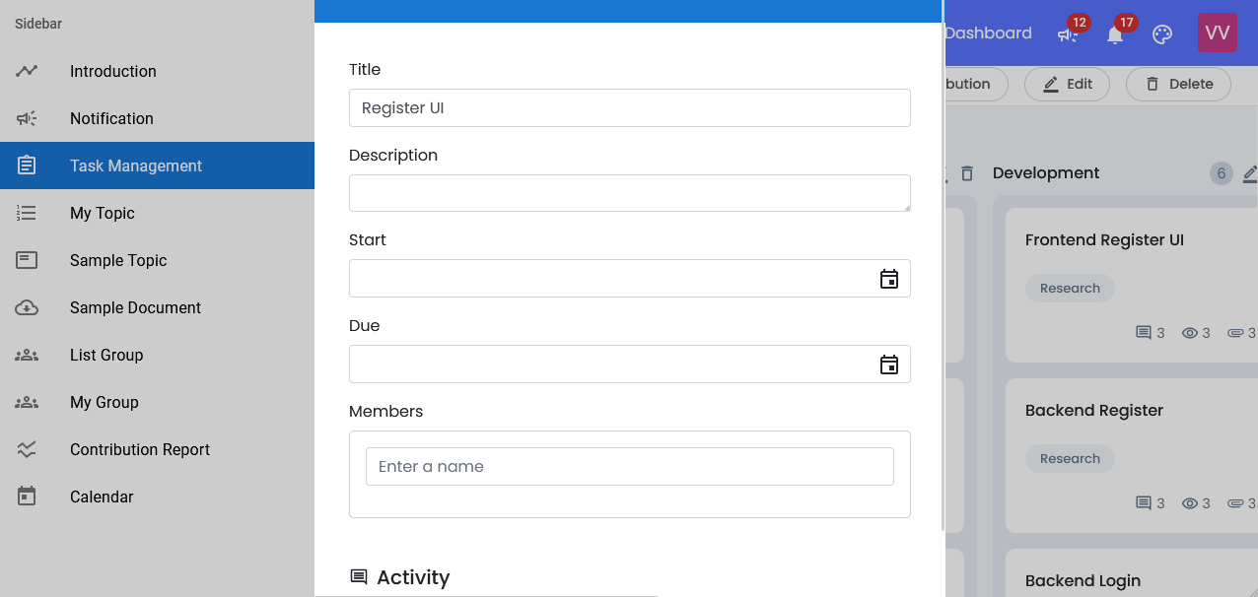 Task Form is broken. | Fail | 27/4/2022
TC_02 | Load Task Data | 1. Click into the Task Management link. 2. Choose a stage. | Load the list of task. | Load the list of task. | Pass | 27/4/2022
TC_03 | Highlight Link | 1. Click into the Task Management link. | Highlight the Task Management link with another color. | Highlight the Task Management link with another color. | Pass | 27/4/2022
TC_04 | Add Task | 1. Click into the "Add another card" button. 2. Enter a name for task. - Name : Login UI. 3. Click into the "Add Item" button. | Add task successfully. | Add task successfully. | Pass | 27/4/2022
TC_05 | Edit Task | 1. Click into a task. 2. Enter all fields. - Name : Register UI. - Description : Color Red. - Start Date : 1/5/2022. - End Date : 3/5/2022. - Member : Viet. 3. Click into the "Close" icon to save changes. | Save changes successfully. | Save changes successfully. | Pass | 27/4/2022
TC_06 | Remove Task | 1. Click into a task. 2. Click into the "Drop" icon. 3. Choose "Agree" to remove task. | Remve task successfully. | Remve task successfully. | Pass | 27/4/2022
TC_07 | Add List | 1. Click into the "Add another list" button. 2. Enter a name for list. - Name : Requirement. 3. Click into the "Add Item" button. | Add list successfully. | Add list successfully. | Pass | 27/4/2022
TC_08 | Edit List | 1. Click into the "Edit" icon. 2. Enter a new name for list. - Name : Coding. 3. Click into the "Save" icon to save changes. | Edit list successfully. | Edit list successfully. | Pass | 27/4/2022
TC_09 | Remove List | 1. Click into the "Drop" icon. 2. Choose "Agree" to remove list. | Remove list successfully. | Remove list successfully. | Pass | 27/4/2022
TC_10 | Edit Stage | 1. Click into a stage. 2. Click into the "Edit" icon. 3. Enter all fields. - Name : Sprint 11. - Description : Coding. 4. Submit | Edit stage successfully. | Edit stage successfully. | Pass | 27/4/2022
TC_11 | Remove Stage | 1. Click into a stage. 2. Click into the "Drop" icon. 3. Choose "Agree" to remove stage. | Remove stage successfully. | Remove stage successfully. | Pass | 27/4/2022
TC_12 | Move Task | 1. Drag a task. 2. Drag to a new list. 3. Stop dragging. | Move task successfully. | Move task successfully. | Pass | 27/4/2022
TC_13 | Open Task Detail | 1. Click into a task. | Display a detail information for a task. | Task doesn't display members in this task. | Fail | 27/4/2022

Calendar
Module Code | Calendar
Tester | Nguyen Thanh Dat
Pre-condition | Login successfully with Student and Mentor roles.
Pass | Fail | Number of test case
2 | 1 | 3

ID | Test case Description | Test case Procedure | Expected Output | Actual Result | Result | Test Date
TC_01 | Reponsive Website | 1. Use the website on the mobile, laptop or desktop. 2. Click into the Calendar link. | The website is not broken. | The website is not broken. | Pass | 27/4/2022
TC_02 | Load Calendar | 1. Click into the Calendar link. | Load the list of councils. | 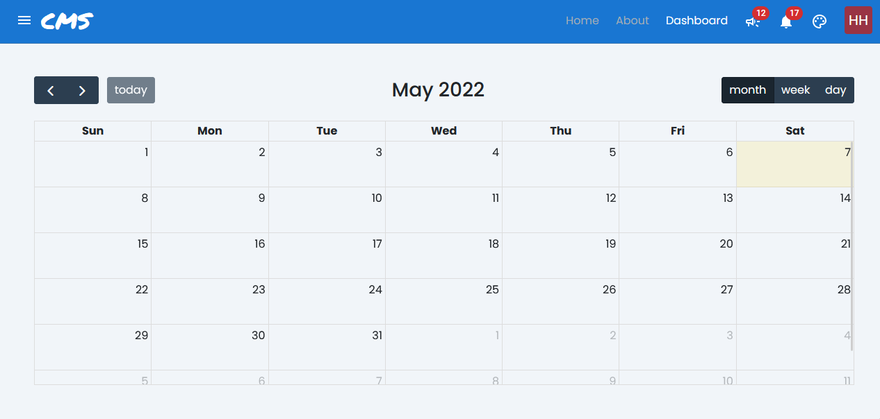 Nothings is displayed. | Fail | 27/4/2022
TC_03 | Highlight Link | 1. Click into the Calendar link. | Highlight the Calendar link with another color. | Highlight the Calendar link with another color. | Pass | 27/4/2022

Topic Management
Module Code | Topic Management
Tester | Nguyen Thanh Dat
Pre-condition | Login successfully with Mentor roles.
Pass | Fail | Number of test case
5 | 1 | 6

ID | Test case Description | Test case Procedure | Expected Output | Actual Result | Result | Test Date
TC_01 | Reponsive Website | 1. Use the website on the mobile, laptop or desktop. 2. Click into the Topic Management link. | The website is not broken. | 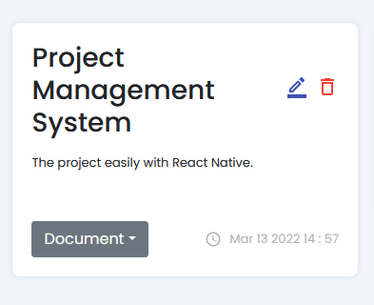 The size of title is so long. | Fail | 2022-05-04
TC_02 | Load Topic Management | 1. Click into the Topic Management link. | Load the list of lecturer accounts | Load the list of lecturer accounts | Pass | 2022-05-04
TC_03 | Highlight Link | 1. Click into the Topic Management link. | Highlight the Topic Management link with another color. | Highlight the Topic Management link with another color. | Pass | 2022-05-04
TC_04 | Add Topic | 1. Click into the Topic Management link. 2. Enter all fields. - Title : Chat Web. - Description : Support for Web. - File : desc.csv 3. Submit | Add topic successfully. | Add topic successfully. | Pass | 2022-05-04
TC_05 | Edit Topic | 1. Click into the Topic Management link. 2. Enter all fields. - Title : Chat Web 1. - Description : Support for Web 1. 3. Submit. | Edit topic successfully. | Edit topic successfully. | Pass | 2022-05-04
TC_06 | Remove Topic | 1. Click into the Topic Management link. 2. Click into the "Drop" icon. 3. Choose "Agree" to remove. | Remove topic successfully. | Remove topic successfully. | Pass | 2022-05-04

Lecturer Profile
Module Code | Lecturer Profile
Tester | Nguyen Thanh Dat
Pre-condition | Login successfully with Mentor roles.
Pass | Fail | Number of test case
3 | 1 | 4

ID | Test case Description | Test case Procedure | Expected Output | Actual Result | Result | Test Date
TC_01 | Reponsive Website | 1. Use the website on the mobile, laptop or desktop. 2. Click into the Lecturer Profile link. | The website is not broken. | 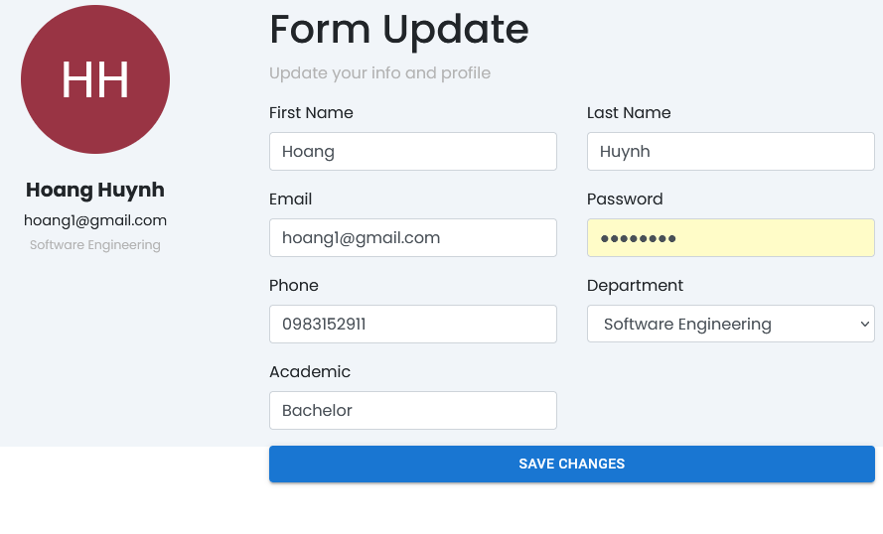 The background is broken. | Fail | 16/3/2022
TC_02 | Load Lecturer Profile | 1. Click into the Lecturer Profile link. | Load the list of lecturer accounts | Load the list of lecturer accounts | Pass | 16/3/2022
TC_03 | Highlight Link | 1. Click into the Lecturer Profile link. | Highlight the Lecturer Profile link with another color. | Highlight the Lecturer Profile link with another color. | Pass | 16/3/2022
TC_04 | Load Lecturer Profile | 1. Click into the Lecturer Profile link. 2. Enter all fields - Last name : Huynh Van - Phone : 0983152912 - Academic : Bachelor 3. Save changes | Save changes successfully. | Save changes successfully. | Pass | 16/3/2022

